Sheet1
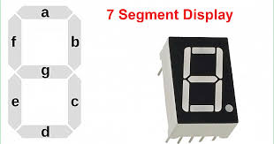
 |  | 128 | 64 | 32 | 16 | 8 | 4 | 2 | 1
 |  | dot | g | f | e | d | c | b | a | Decimal | Hexadecimal
 | 0 | 0 | 0 | 1 | 1 | 1 | 1 | 1 | 1 | 63 | 3F
 | 1 | 0 | 0 | 0 | 0 | 0 | 1 | 1 | 0 | 6 | 6
 | 2 | 0 | 1 | 0 | 1 | 1 | 0 | 1 | 1 | 91 | 5B
 | 3 | 0 | 1 | 0 | 0 | 1 | 1 | 1 | 1 | 79 | 4F
 | 4 | 0 | 1 | 1 | 0 | 0 | 1 | 1 | 0 | 102 | 66
 | 5 | 0 | 1 | 1 | 0 | 1 | 1 | 0 | 1 | 109 | 6D
 | 6 | 0 | 1 | 1 | 1 | 1 | 1 | 0 | 1 | 125 | 7D
 | 7 | 0 | 0 | 0 | 0 | 0 | 1 | 1 | 1 | 7 | 7
NOTE: Normal logic (not inverse) | 8 | 0 | 1 | 1 | 1 | 1 | 1 | 1 | 1 | 127 | 7F
 | 9 | 0 | 1 | 1 | 0 | 1 | 1 | 1 | 1 | 111 | 6F
Binary, Decimal & Hexadecimal

